Rack Damage Check
Rack Damage Reporting Form |  |  |  | Rev. 20

Fill Out the Form Completely and turn in to a Lead |  |  | Case Number #:
DO NOT REMOVE ANY MATERIAL FROM NC SUPPORT LANES UNLESS YOU HAVE BEEN TOLD TO DO SO ON THE NCT. Get copy of the signed shipping documents, packing list, and photos.
Who is reporting the damage? |  | Current Address: (What address is the cabinet currently at)
Date Unit Received:
Company Name:
Contact Name: |  | Ship-To Address: (What is the Ship-To-Address on the delivery documents)
Contact E-mail:
Contact Phone #:
Unit Identification:
Program:
Model/SKU Number: |  |  | Serial Number:
Damage and Shipping Information
1. When was the damage identified? | 2. Was the damage noted with the carrier? |  | 3. What packaging was damaged? (Check all that apply)

a. Roof
e. Right Rear Door
m. Rear Picture Frame
Damage to Outer Panels (Check all that apply) |  |  | Damage to Frame (Check all that apply)
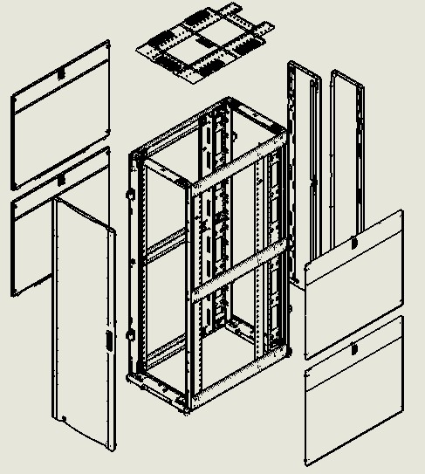 |  |  | 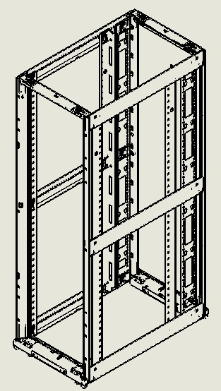
i. Upper Left Side Brace
n. Upper Right Side Brace
b. Upper Left Side Panel
f. Left Rear Door
j. Middle Left Side Brace
c. Lower Left Side Panel
g. Upper Right Side Panel
o. Middle Right Side Brace

d. Front Door
h. Lower Right side Panel
k. Lower Left Side Brace
l. Front Picture Frame
p. Lower Right Side Brace

Crate Damage Check
Crate Damage Reporting Form |  |  |  | Rev. 20

Fill Out the Form Completely and turn in to a Lead |  |  | Case Number #:
DO NOT REMOVE ANY MATERIAL FROM NC SUPPORT LANES UNLESS YOU HAVE BEEN TOLD TO DO SO ON THE NCT. Get copy of the signed shipping documents, packing list, and photos.
Who is reporting the damage? |  | Current Address: (What address is the cabinet currently at)
Date Unit Received:
Company Name:
Contact Name: |  | Ship-To Address: (What is the Ship-To-Address on the delivery documents)
Contact E-mail:
Contact Phone #:
Unit Identification:
Model/SKU Number:
Program:
Damage and Shipping Information
No
Yes
1. Was the damage noted with the carrier?

Damaged Door
Damaged Door
2. What was damaged? (Check all that apply)
 | Upon receipt of crate in outbound lanes, inspect exterior and door for deformities and bulging, especially around base clips and edges.
 | 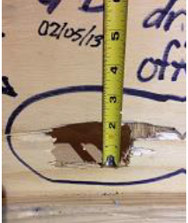 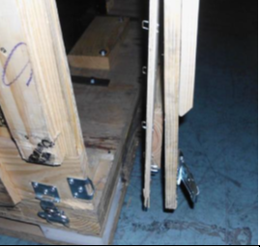 Damage over 1” in diameter or damage to door is unacceptable and must be rejected, see Figure 1 and 2.
Panel Separation
Figure 3
 | 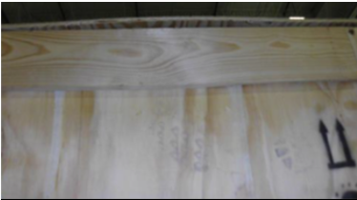 Panel separation of over 3/8” as shown in figure 3 is unacceptable and must be rejected.
Interior Damage
 | Inspect interior of crate enclosure for damage and deformity to enclosure walls
Damaged Interior Foam Bracing
Figure 4
 | 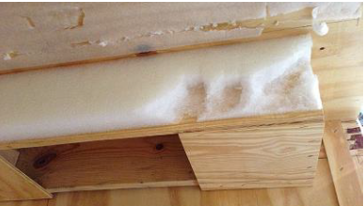 Inspect foam bracing on interior walls of enclosure for damage. If more than 3” of foam is missing or damaged, crate is unacceptable and must be rejected. Figure 4.
Height Variation
Figure 5
 | 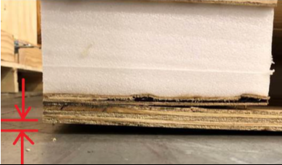 Using a tape measure and technician standing on opposite side of crate base inspect each side at the corner for height variation of no more than 1 /4” as shown in Figure 5.
Damaged Rack Base
Figure 6
 | 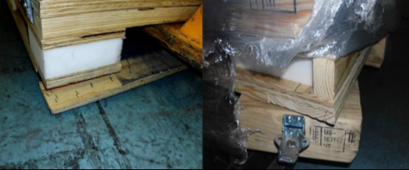 Inspect rack base for board separation or twisting of blocks. Any board separation or twisting over 10 degrees, as shown in figure 6, is unacceptable and must be rejected.
Damaged Foam Blocks
Figure 7
 | 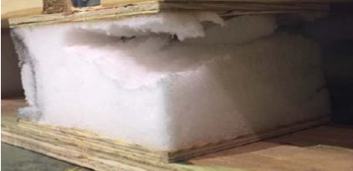 Inspect foam blocks on crate base for damage. If damage over 1/2” is found, crate is unacceptable and must be rejected. See Figure 7.
Damaged Latches
Figure 8
 | 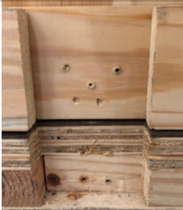 Fit enclosure to base, align latch pockets as shown in figure 8, and inspect latches for correct fit or damage. If latches are damaged, loose or not centered notify Lead or Supervisor.

